Φύλλο1
 | Mold Pic | style | Product Descriptions |  |  |  |  |  |  |  |  |  |  |  |  |  | pcs | Packing Details
Mold No. |  |  | Movt. | Watch Case |  |  |  | Watch Strap |  |  | Mirros |  |  | Button Type | Unit Weight/g | Waterproof |  | Inner Pack | Qty/Carton | Carton Size/cm | Packing Weight/kg
 |  |  | Model | Original | Mat. | Dia. | Thick/mm | Mat. | Length | Width | Mat. | Dia/mm | Thick/mm |  |  |  |  |  |  |  | G.W. | N.W.
6018-3 | 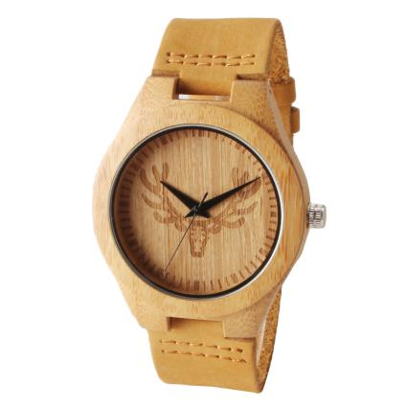 |  | 2035 | Japan | Bamboo | 45 | 11 | Genuine Leather | 180 | 24 | Mineral Glass |  |  | Steel Buckle | 45g | daily waterproof | 1700 | 1pcs/oppbag, 20pcs / inner boxes | 200 | 45*32*32CM | 11KG | 10KG
6002-2 | 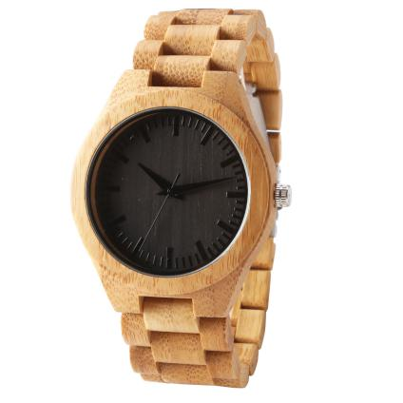 |  | 2035 | Japan | Bamboo | 45 | 11 | Bamboo | 180 | 24 | Mineral Glass |  |  | Steel Buckle | 45g | daily waterproof | 150 | 1pcs/oppbag, 20pcs / inner boxes | 200 | 45*32*32CM | 11KG | 10KG
6005-2 | 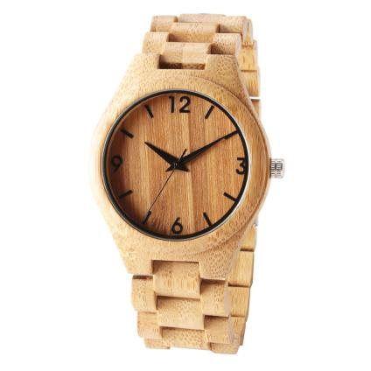 |  | 2035 | Japan | Bamboo | 45 | 11 | Bamboo | 180 | 24 | Mineral Glass |  |  | Steel Buckle | 45g | daily waterproof | 120 | 1pcs/oppbag, 20pcs / inner boxes | 200 | 45*32*32CM | 11KG | 10KG
8012-34 | 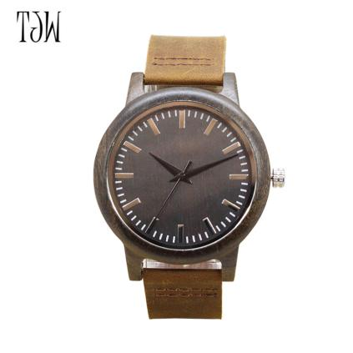 |  | 2035 | Japan | Ebony | 45 | 11 | Genuine Leather | 180 | 24 | Mineral Glass |  |  | Steel Buckle | 45g | daily waterproof | 70 | 1pcs/oppbag, 20pcs / inner boxes | 200 | 45*32*32CM | 11KG | 10KG
JST-047 | 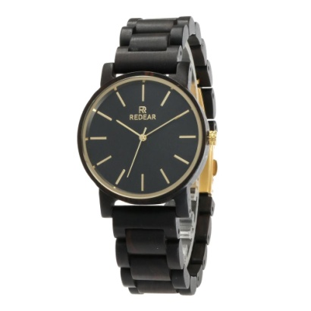 | male | 2035 | Japan | Ebony | 41*48 |  | Ebony | 180-230 | 20 | Mineral Glass | 33 | 11 | Steel Buckle | 53 | daily waterproof | 60 | 1pcs/oppbag, 20pcs / inner boxes | 200 | 45*32*32CM | 11KG | 10KG
 |  | female | 2035 | Japan | Ebony | 40*48 |  | Ebony | 180-235 | 20 | Mineral Glass | 37 | 11 | Spring Buckle | 40.6 |  | 250
6018-4 | 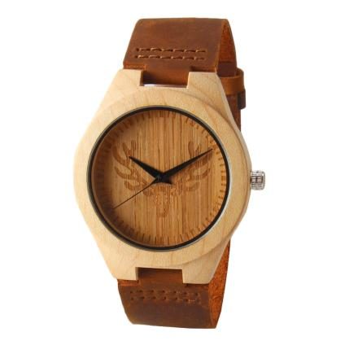 |  | 2035 | Japan | Maple | 45 | 11 | Genuine Leather | 180 | 24 | Mineral Glass |  |  | Steel Buckle | 30 | daily waterproof | 180 | 1pcs/oppbag, 20pcs / inner boxes | 200 | 45*32*32CM | 11KG | 10KG
7006-1 | 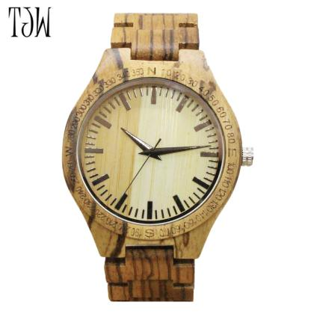 |  | 2035 | Japan | Zebrano | 45 | 11 | Zebrano | 180 | 24 | Mineral Glass |  |  | Steel Buckle | 45g | daily waterproof | 80 | 1pcs/oppbag, 20pcs / inner boxes | 200 | 45*32*32CM | 11KG | 10KG
8026-1 | 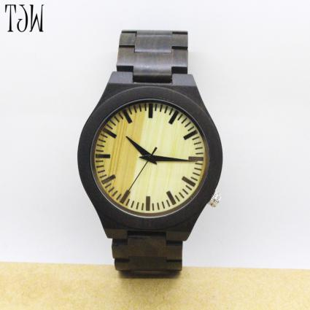 |  | 2035 | Japan | Ebony | 45 | 11 | Ebony | 180 | 24 | Mineral Glass |  |  | Steel Buckle | 45g | daily waterproof | 180 | 1pcs/oppbag, 20pcs / inner boxes | 200 | 45*32*32CM | 11KG | 10KG
8010-1 | 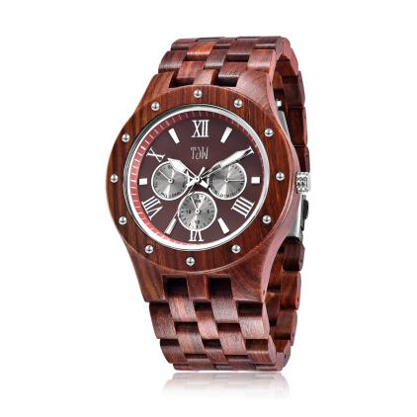 |  | 2035 | Japan | Paorosa | 45 | 11 | Paorosa | 180 | 24 | Mineral Glass |  |  | Steel Buckle | 55 | daily waterproof | 180 | 1pcs/oppbag, 20pcs / inner boxes | 200 | 45*32*32CM | 11KG | 10KG
6011-1 | 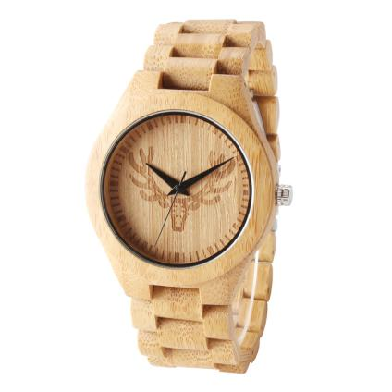 |  | 2035 | Japan | Maple | 45 | 11 | Maple | 180 | 24 | Mineral Glass |  |  | Steel Buckle | 45g | daily waterproof | 80 | 1pcs/oppbag, 20pcs / inner boxes | 200 | 45*32*32CM | 11KG | 10KG
JST-056 | 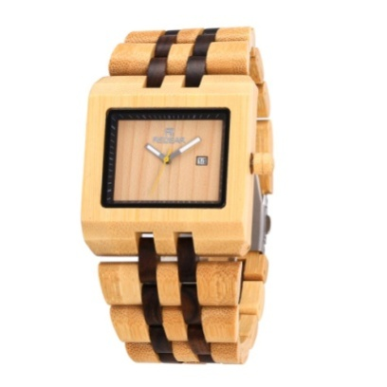 | male & female | 2115 | Japan | Bamboo | 45*48.5 |  | Ebony & Bamboo | 180-235 | 21 | Mineral Glass | 33 | 12 | Spring Buckle | 61 | daily waterproof | 100 | 1pcs/oppbag, 20pcs / inner boxes | 200 | 45*32*32CM | 11KG | 10KG
JST-019 | 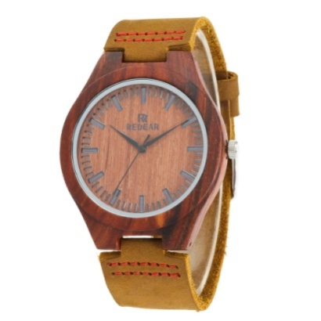 | male & female | 2035 | Japan | Paorosa | 45*54 |  | Genuine Leather | 180-230 | 24 | Mineral Glass | 38 | 11 | Slingshot Buckle | 25 | daily waterproof | 400 | 1pcs/oppbag, 20pcs / inner boxes | 200 | 45*32*32CM | 11KG | 10KG
JST-073 | 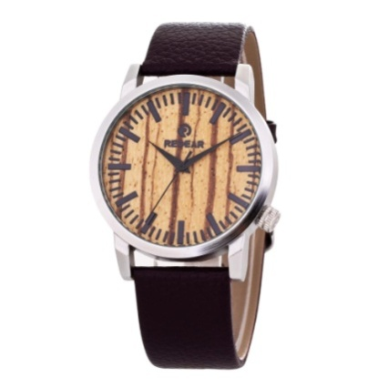 | male & female | 2035 | Japan | Metal Alloy | 42*49 |  | PU | 170-230 | 20 | Mineral Glass | 37 | 10 | Steel Buckle | 50 | daily waterproof | 150 | 1pcs/oppbag, 20pcs / inner boxes | 200 | 45*32*32CM | 11KG | 10KG
JST-048 | 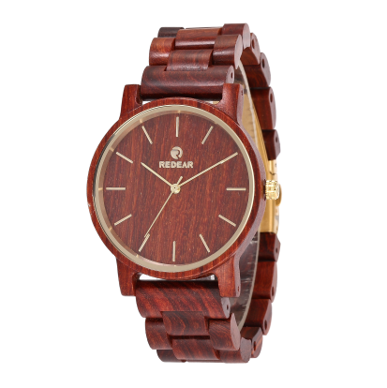 | female | 2035 | Japan | Paorosa | 35*43 |  | Paorosa | 180-235 | 18 | Mineral Glass | 33 | 11 | Spring Buckle | 40.6 | daily waterproof | 140 | 1pcs/oppbag, 20pcs / inner boxes | 200 | 45*32*32CM | 11KG | 10KG
6018-2 | 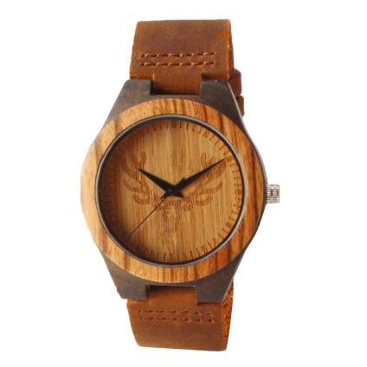 |  | 2035 | Japan | Ebony | 45 | 11 | Genuine Leather | 180 | 24 | Mineral Glass |  |  | Steel Buckle | 45g | daily waterproof | 80 | 1pcs/oppbag, 20pcs / inner boxes | 200 | 45*32*32CM | 11KG | 10KG
6011-2 | 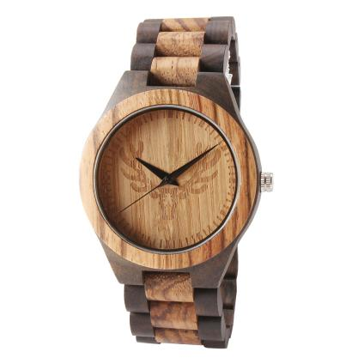 |  | 2035 | Japan | Zebrano | 45 | 11 | Zebrano | 180 | 24 | Mineral Glass |  |  | Steel Buckle | 45g | daily waterproof | 180 | 1pcs/oppbag, 20pcs / inner boxes | 200 | 45*32*32CM | 11KG | 10KG
8025-10 | 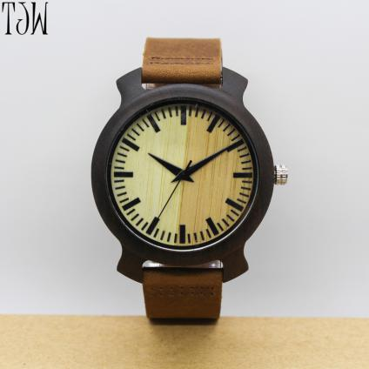 |  | 2035 | Japan | Ebony | 45 | 11 | Ebony | 180 | 24 | Mineral Glass |  |  | Steel Buckle | 45g | daily waterproof | 80 | 1pcs/oppbag, 20pcs / inner boxes | 200 | 45*32*32CM | 11KG | 10KG
6026-1 | 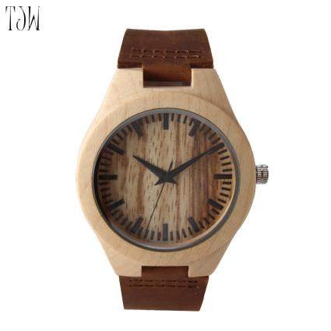 |  | 2035 | Japan | Maple | 45 | 11 | Genuine Leather | 180 | 24 | Mineral Glass |  |  | Steel Buckle | 30 | daily waterproof | 80 | 1pcs/oppbag, 20pcs / inner boxes | 200 | 45*32*32CM | 11KG | 10KG
6023-1 | 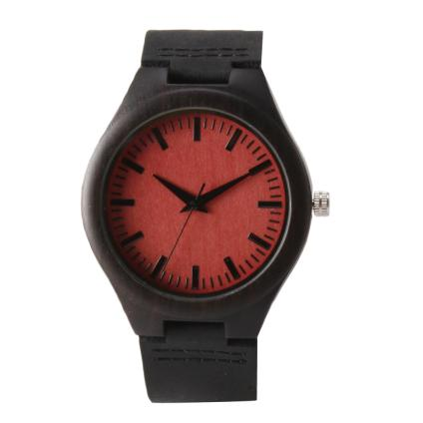 |  | 2035 | Japan | Ebony | 45 | 11 | Genuine Leather | 180 | 24 | Mineral Glass |  |  | Steel Buckle | 30 | daily waterproof | 40 | 1pcs/oppbag, 20pcs / inner boxes | 200 | 45*32*32CM | 11KG | 10KG
6002-1 | 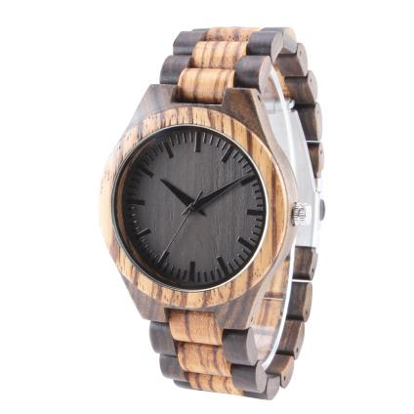 |  | 2035 | Japan | Zebrano & Ebony | 45 | 11 | Zebrano & Ebony | 180 | 24 | Mineral Glass |  |  | Steel Buckle | 45g | daily waterproof | 80 | 1pcs/oppbag, 20pcs / inner boxes | 200 | 45*32*32CM | 11KG | 10KG
JST-068 | 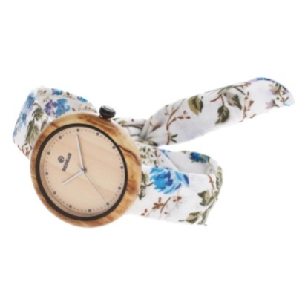 | female | 2035 | Japan | Olivewood | 43*43 | Cloth | 170-230 | 20 |  | Mineral Glass | 35 | 11 |  | 20 | daily waterproof | 100 | 1pcs/oppbag, 20pcs / inner boxes | 200 | 45*32*32CM | 11KG | 10KG
JST-082 | 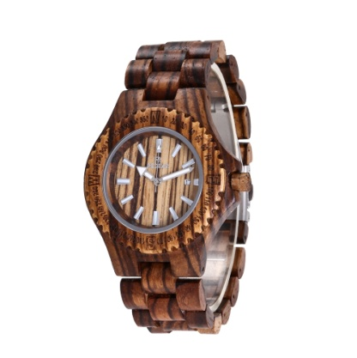 | male & female | 2115 | Japan | Zebrano | 43*52 | Zebrano | 170-230 | 25 |  | Mineral Glass | 30 | 12 | Steel Buckle | 51 | daily waterproof | 30 | 1pcs/oppbag, 20pcs / inner boxes | 200 | 45*32*32CM | 11KG | 10KG
JST-001 | 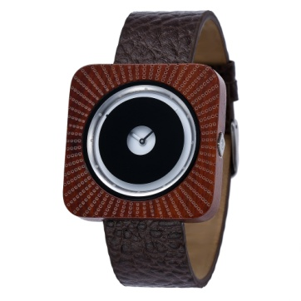 | male & female | 2035 | Japan | Paorosa | 43*43 | Genuine Leather | 170-230 | 22 |  | Mineral Glass | 33 | 10 | Steel Buckle | 50 | daily waterproof | 150 | 1pcs/oppbag, 20pcs / inner boxes | 200 | 45*32*32CM | 11KG | 10KG
JST-077 | 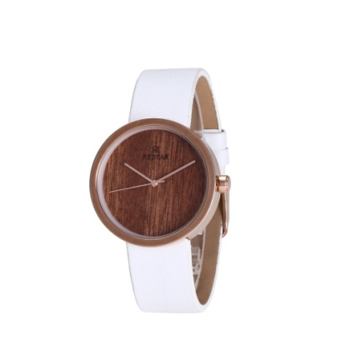 | male & female | 2035 | Japan | Metal Alloy | 37*37 | PU | 155-200 | 19 |  | Mineral Glass | 32 | 11 | Steel Buckle | 39 | daily waterproof | 30 | 1pcs/oppbag, 20pcs / inner boxes | 200 | 45*32*32CM | 11KG | 10KG
JST-060 | 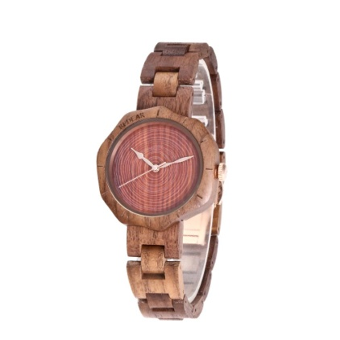 | male & female | 2035 | Japan | Walnut | 41*41 | Walnut | 180-230 | 18 |  | Mineral Glass | 34 | 11 | Spring Buckle | 24 | daily waterproof | 20 | 1pcs/oppbag, 20pcs / inner boxes | 200 | 45*32*32CM | 11KG | 10KG
6002-3 | 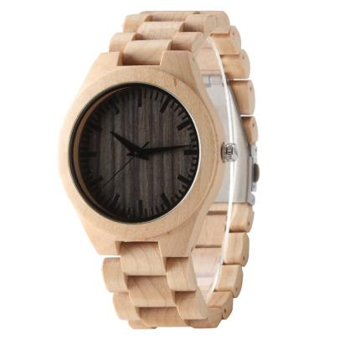 |  | 2035 | Japan | Maple | 45 | 11 | Maple | 180 | 24 | Mineral Glass |  |  | Steel Buckle | 45g | daily waterproof | 70 | 1pcs/oppbag, 20pcs / inner boxes | 200 | 45*32*32CM | 11KG | 10KG
6002-4 | 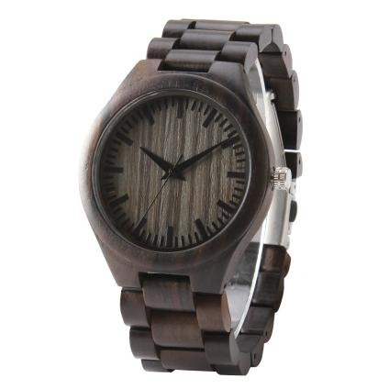 |  | 2035 | Japan | Ebony | 45 | 11 | Ebony | 180 | 24 | Mineral Glass |  |  | Steel Buckle | 45g | daily waterproof | 40 | 1pcs/oppbag, 20pcs / inner boxes | 200 | 45*32*32CM | 11KG | 10KG
6004-3 | 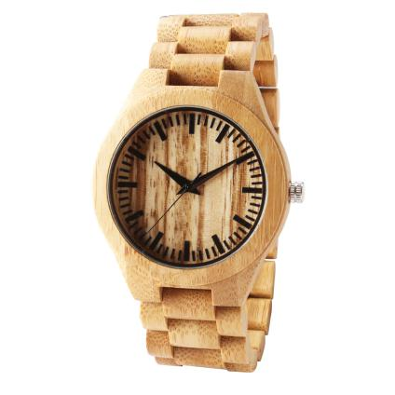 |  | 2035 | Japan | Bamboo | 45 | 11 | Bamboo | 180 | 24 | Mineral Glass |  |  | Steel Buckle | 45g | daily waterproof | 40 | 1pcs/oppbag, 20pcs / inner boxes | 200 | 45*32*32CM | 11KG | 10KG
TOTAL |  |  |  |  |  |  |  |  |  |  |  |  |  |  |  |  | 4860

